Oct 2020
October | 2020
Sunday | Monday | Tuesday | Wednesday | Thursday | Friday | Saturday
 |  |  |  | 1 | 2 | 3
Week 5 |  | 1 | Spotts Park 2 person relay races 2 x 15 min w/4 min rest btwn |  | Spotts Park 4 Hills at 2:45 X 6 Hills 2:00 min rest between
4 | 5 | 6 | 7 | 8 | 9 | 10
Week 6 | Park N. of I-10 on Heights Blvd. Heights Run 1 block fast 1 block easy |  | Meet at Lost Lake Boot Camp Workout Bring Towel |  | 5:20 Start Meet at Memorial Park Fitness/Aquatic Center 3 mile run 6 mile bike 30 minute swim
11 | 12 | 13 | 14 | 15 | 16 | 17
Week 7 | Memorial Park Trail Running Center Richard's Run Trail Center to Track (400's +) Jog back to Trail Center |  | Meet at Sabine Bridge Steps 15 minutes Wicked "W" 15 minutes |  | Lost Lake Long Hills Memorial Shepherd 28 Minutes 1, 1, 1, 2, 2, 2, 3, 3, 3, repeat
18 | 19 | 20 | 21 | 22 | 23 | 24
Week 8 - Random | Lost Lake Lucky Cloverleafs 15 minutes reverse 14 minutes 2 minute break |  | Spotts Park Mark Fraser 13/12 min with 2 min rest btwn NNN |  | Spotts Park Figure 8 plus 10 X 75 Strides
25 | 26 | 27 | 28 | 29 | 30 | 31
Week 9 - Final Week | Lost Lake Cloverleaf 800's 2 X 800, 1 X 1600, 1 X 800, 1 X 400, 1 X 200 NNN | 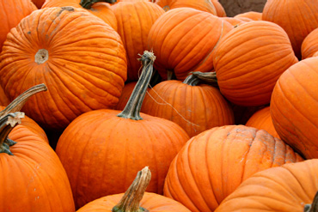 |  | Grave Yard Run 28.5 minutes of spooky fun BOO! | Lost Lake Dog Bowl Bridge Loop 1,1,2,2,3,3,2,2,1,1 Continuous loop

