June 2019
June '19 | Adult
Sunday | Monday | Tuesday | Wednesday | Thursday | Friday | Saturday
 |  |  |  |  |  | 1
If location is marked in Red the workout will start there (not Spotts Park) |  | 10 week Session starts June 3rd |  |  |  | 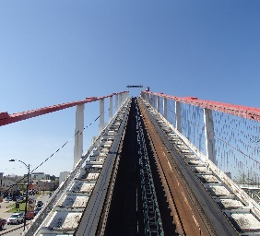 1
2 | 3 | 4 | 5 | 6 | 7 | 8
Week 1 | 1st Day WH HS Spotts Park Permiter Run 25 minutes | B - 15 min I - 25 min A - 35 min | Lost Lake Brett's Run? | B - 15 min I - 25 min A - 40 min | Spotts Park 2 Person Relay Races | 20 - 40 min (easy)
9 | 10 | 11 | 12 | 13 | 14 | 15
Week 2 | Clover Leafs Perimiter w/shortcuts 27 minutes | B - 15 min I - 30 min A - 45 min | Ponts Doubles 28 Minutes | B - 15 min I - 30 min A - 45 min | Spotts Park "Mark Fraser Memorial Run" | 30 - 45 min (easy)
16 | 17 | 18 | 19 | 20 | 21 | 22
Week 3 | Dog Bowl Around the pretty fountain...ahh :-) | B - 20 min I - 35 min A - 50 min | Spotts Park 3 Hills x 2 4 minutes with 2 minutes rest | B - 25 min I - 35 min A - 50 min | MEMORIAL PARK Meet at Tennis Center Progressive Tempo (-10) seconds per mile | 1.00 hour (easy)
23 | 24 | 25 | 26 | 27 | 28 | 29
Week 4 | Heights Run Park at I-10 and Heights Blvd. | B - 30 min I - 45 min A - 60 min | Lost Lake Boot Camp Workout | B - 30 min I - 45 min A - 60 min | Spotts Park Short and Sweet | 1.00 hour (easy)
30
Week 5

July 2019
July '19 | Adult
Sunday | Monday | Tuesday | Wednesday | Thursday | Friday | Saturday
 | 1 | 2 | 3 | 4 | 5 | 6
Week 5 | Spotts Park Reverse Fartlek Run | B - 15 min I - 20 min A - 25 min | MEMORIAL PARK Running Trails Center (Google it) | B - 15 min I - 25 min A - 35 min | Lost Lake Two Bridges plus | 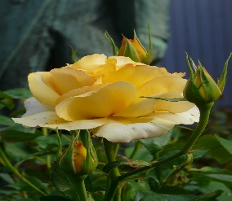 45 minutes (easy)
7 | 8 | 9 | 10 | 11 | 12 | 13
Week 6 | Spotts Park Figure 8 | B - 20 min I - 30 min A - 40 min | Spotts Park "Mark Fraser Memorial Run" | B - 20 min I - 30 min A - 45 min | Ponts Doubles 28 Minutes | 1 hour (easy)
14 | 15 | 16 | 17 | 18 | 19 | 20
Week 7 | Lost Lake Mystery | B - 25 min I - 35 min A - 50 min | Spotts Park 2 Person Relay Races | B - 25 min I - 35 min A - 50 min | Spotts Park Mystery Workout A lot of mystery this week, huh? | 1 hour (easy)
21 | 22 | 23 | 24 | 25 | 26 | 27
Week 8 | Clover Leafs Perimiter w/shortcuts 30 minutes | B - 25 min I - 40 min A - 55 min | Lost Lake 2 Bridges | B - 30 min I - 45 min A - 60 min | Spotts Park Short and Sweet | 1.25 hours (easy)
28 | 29 | 30 | 31
 | Sabine Bridge Steps and Wicked "W" |  | Lost Lake Boot Camp Workout

August 2019
August '19 | Adult
Sunday | Monday | Tuesday | Wednesday | Thursday | Friday | Saturday
 |  |  |  | 1 | 2 | 3
Week 9 |  |  | 1 | 1 | Lost Lake Dog Bowl with stairs | 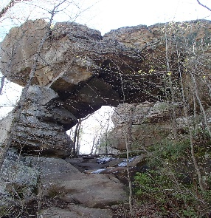
4 | 5 | 6 | 7 | 8 | 9 | 10
Week 10 | Clover Leafs Perimiter w/shortcuts 28 minutes |  | Lost Lake 2 Bridges w/options |  | Spotts Park 3 Hills and Hill Bursts
11 | 12 | 13 | 14 | 15 | 16 | 17
Merciless Richard's Revenge Week!
18 | 20 | 21 | 22 | 23 | 24 | 25
Rogue Power!
25 | 27 | 28 | 29 | 30 | 31
 | Will's Hills Official day off - Go do something else…until Wednesday |  | Spotts Park Double Bridges |  | Clover Leafs With Breakouts

