Oct 2018
October | 2018
Sunday | Monday | Tuesday | Wednesday | Thursday | Friday | Saturday
31 | 1 | 2 | 3 | 4 | 5 | 6
Week 5 - Spotts Park | Spotts Park 3 Hills at 2:45 X 6 Hills 2:00 min rest between |  | Spotts Park 2 person relay races 2 x 14 min w/ 3 min rest btwn |  | Spotts Park Figure 8 plus 10 X 75 Strides
7 | 8 | 9 | 10 | 11 | 12 | 13
Week 6 - Dog Bowl | Dog Bowl East Fountain Loop with speed traps 28 minutes |  | Dog Bowl East Double Bridges 15 min reverse 14 min. |  | Meet at Memorial Park Fitness/Aquatic Center 4 mile run 6 mile bike 30 minute swim
14 | 15 | 16 | 17 | 18 | 19 | 20
Week 7 - Bayou | Bayou Tempo Run 1/2 mile warm up 1,2,3,3,2,1 min hard, 2 min easy except 1st and last 1 min easy |  | Bayou Run 3 - 5 miles 2 minutes fast 2 minutes slow |  | Long Hills Memorial Shepherd 28 Minutes 1, 1, 1, 2, 2, 2, 3, 3, 3, 4….
21 | 22 | 23 | 24 | 25 | 26 | 27
Week 8 - Random | Lucky Cloverleafs 15 minutes reverse 14 minutes 2 minute break |  | Spotts Park Mark Fraser 13/12 min with 2 min rest btwn NNN |  | MEMORIAL PARK 2 laps Progressive Tempo -10 seconds per mile
28 | 29 | 30 | 31 Halloween | Extra | Extra | Extra
Week 9 - Final Week | Lucky Cloverleafs 16 minutes reverse 14 minutes 2 minute break | 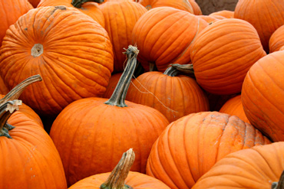 | Grave Yard Run 26.8 minutes of spooky fun BOO! | East Dog Bowl Hybrid Run 4 X 800 + 15 min Continuous loop | Spotts Park Perimeter Run 28 minutes single option | Fast Clovers 1 mile 1/2 mile 200 meters, repeat

